SIP Roadmap
School Improvement Plan (SIP)
SEED Foundation
 |  |  | SEED Core Model
Planning Tools | SIP Academic Planner (Priority/Focus) | Schoolwide SIP Academic Planner |  | SEED's broad approach to acheiving desired student and graduate outcomes. The SEED Core Model is based upon philosophies, beliefs, and frameworks aligned to evidence based approaches and interventions with the goal of standardizing these approaches across the network.

 | Root Cause Tools | Self-Assessment Rubric (Buckets Tool)

 |  |  | Assessments & Data Tracking Systems
Management & Monitoring Tools | Planning and Monitoring (Short-Term Cycles) | Project Planner & Monitoring |  | PARCC - Statewide Assessment given to all grades 6-8, and 10 students that assesses each student's' mastery of college and career readiness grade level standards in DC and Maryland.
 |  |  |  | FSA - Statewide Assessment given to all Florida students that measures students' achievement of Florida's education standards.
 |  |  |  | MAP Growth - Network Assessment given to all 6-10 students that assesses a student's proficiency and growth aligned to the school's state standards.
 | Quarterly Progress Monitoring (Medium- & Long-Term Goals) | Quarterly Progress Monitoring |  | Common Formative and Summative Assessments - Teacher created assessments aligned with the states Academic Standards for each unit of study on the school's curriculum maps.


Optional Supporting Tools | SIP Culture & Climate Planner | Schoolwide SIP Culture & Climate Planner

 | SIP Social Emotional Planner | Schoolwide SIP Social - Emotional Planner

SAMPLE - SIP Schoolwide Planner
SIP Schoolwide Academic Planner (Required for all schools and innovative programs)
1a. SEED Vision: Excellence in Student Achievement
 | 1b. School Vision:
2a. SEED Mission: Providing Outstanding Educational Opportunities Through Shared, Committed Responsibility
2b. School Mission or Mantra:

Subgroup or Improvement Focus: |  | ✔︎ | Bottom 25% | ✔︎ | Top 75%

3. What is our current reality? |  |  | 4. What are we going to do about it? |  | 5. How will we know if it's working? |  |  | 6. What is our target? |  |  | 7. Our ultimate goal?

3a. Baseline: |  |  | 4a. Strategy 1: |  | 5a. Short-Term Checkpoint Metrics: |  |  | ELA SMART GOAL: |  | # more | 7a. SEED Ultimate Goal:
22% (55/251) of students in grades 6-10 passed BOTH the ELA and Math sections of PARCC in 2017. |  |  |  |  | Instructional Walkthrough Results (Indicator: Assessing for Understanding) |  |  | 65% (195/300) of students in grades 7-10 will pass the ELA section of PARCC 2019. |  | 10 | Will this help us ensure every student at every grade level is on track to graduate ready for college or career?
Schoolwide ELA Baseline: | Schoolwide Math Baseline: |  |  |  | Baseline: | Goal: |  | Math SMART GOAL: |  | # more
61.7% (185/300) of students in grades 6-10 passed the ELA section of PARCC 2018. | 55% (165/300) of students in grades 6-10 passed the Math section of PARCC 2018. |  |  |  | 2.01 of 5 on "Assessing for Understanding" portion of walkthrough results | 3.01 of 5 by the end of our first cycle ending on (date) |  | 60% (181/300) of students in grades 7-10 will pass the math section of PARCC 2019. |  | 16

 |  |  | 4b. Strategy 2: |  | 5b. Short-Term Checkpoint Metrics:
Root Finding: | Data Source:
Most teachers lack effective, rigorous instructional techniques/strategies that ensure all students make higher-level connections in learning. | Walkthrough data on "Presenting Instructional Content" (2.4 of 5) |  |  |  |  |  |  |  | ,
 |  |  |  |  | Baseline: | Goal:

Teachers do not design assessments aligned to curriculum/do not intentionally utilize outcomes to inform daily instruction (ongoing common assessments pre/post, daily checks for understanding of progress toward learning objectives) | Walkthrough data on assessing for understanding (2.01 of 5)
 |  |  | 4c. Strategy 3: |  | 5c. Short-Term Checkpoint Metrics:
 |  |  | Not applicable for this cycle. |  | Not applicable for this cycle. |  | 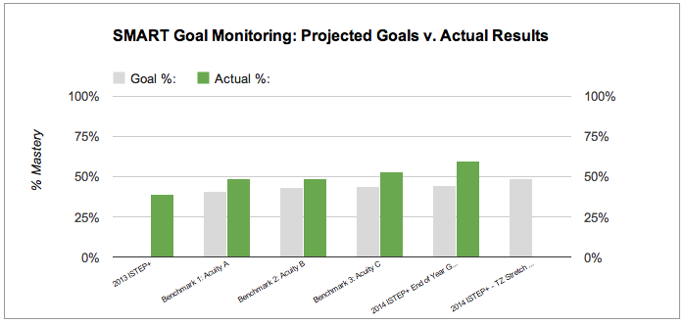
 |  |  |  |  | Baseline: | Goal:
Principal (or Leadership Team) lacks an effective feedback system tied to instructional walkthroughs. | Out of 300 walkthroughs in 13-14, only 5 walkthroughs resulted in feedback conversations with teachers. (No teachers received written feedback.)

<--- Act and Assess: PM/Checkpoints/Self-Assessments/SST Support/PLCs/COPs --->
ORG CORE VALUES: *Students Come First* *Intentionality* *Responsibility* *Collaboration* *Great People Matter*

